Ex001
Roll No | First Name | Last Name | Country Name
101 | John | Doe | India
102 | Jane | Smith
103 | Bob | Johnson
104 | Tonny | Williams
105 | Alex | Brown
106 | Rachel | Davis
107 | Mike | Williams
108 | Emily | Martinez
109 | David | Garcia
110 | Sarah | Rodriguez
Ctrl
D

Ex002
Country | India
 | Andhra Pradesh | Arunachal Pradesh | Assam | Bihar
 | Chhattisgarh | Goa | Gujarat | Haryana
 | Himachal Pradesh | Jharkhand | Karnataka | Kerala
 | Madhya Pradesh | Maharashtra | Manipur | Meghalaya
 | Mizoram | Nagaland | Odisha | Punjab
 | Rajasthan | Sikkim | Tamil Nadu | Telangana
 | Tripura | Uttar Pradesh | Uttarakhand | West Bengal
Ctrl
R

Ex005
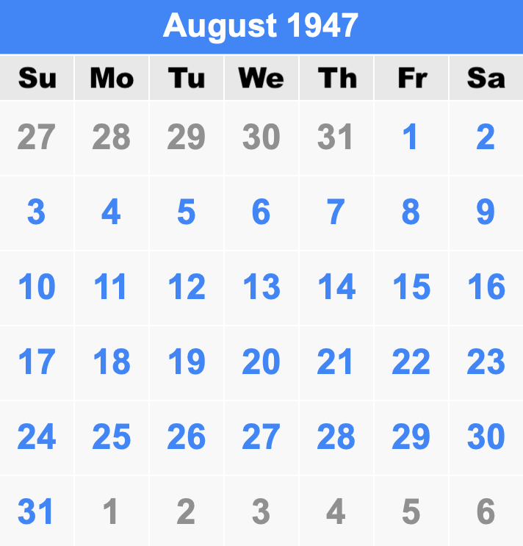
 |  | Date Example |  |  |  | AutoFill Example
Linear Example | Growth Example | Day | Weekday | Month | Year | Example 1 | Example 2 | Example 3
10 | 2 | 1947-08-15 | 1947-08-15 | 1947-08-15 | 1947-08-15 | Week 1 | January | Monday

Step value 10 | Step value 3 | Step value 2 | Step value 1 | Step value 1 | Step value 1

